Introduction
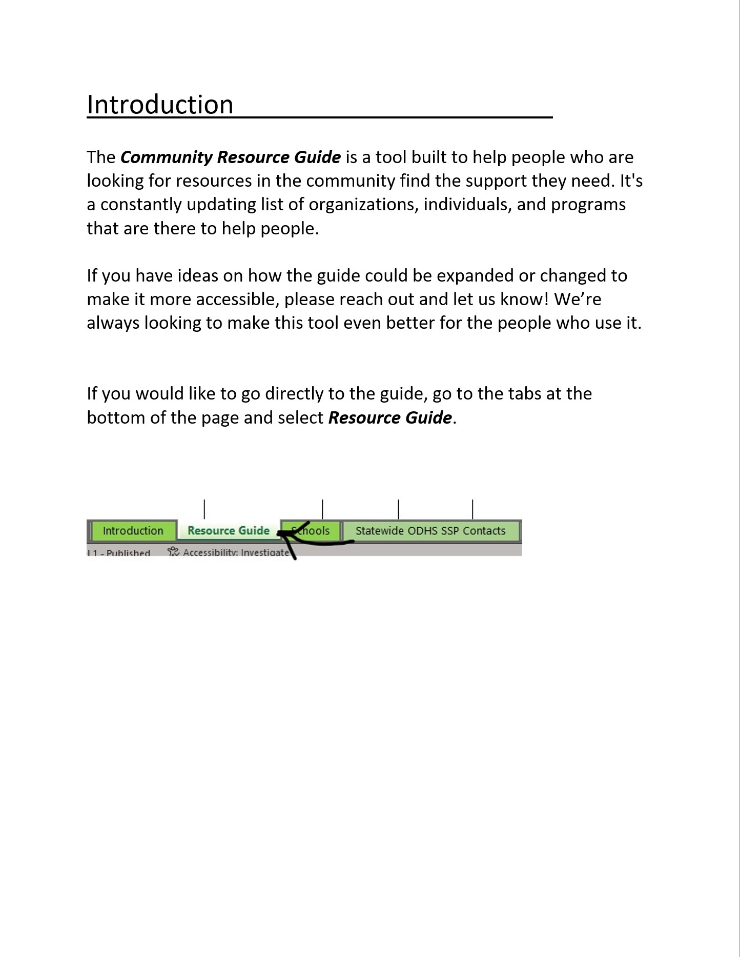

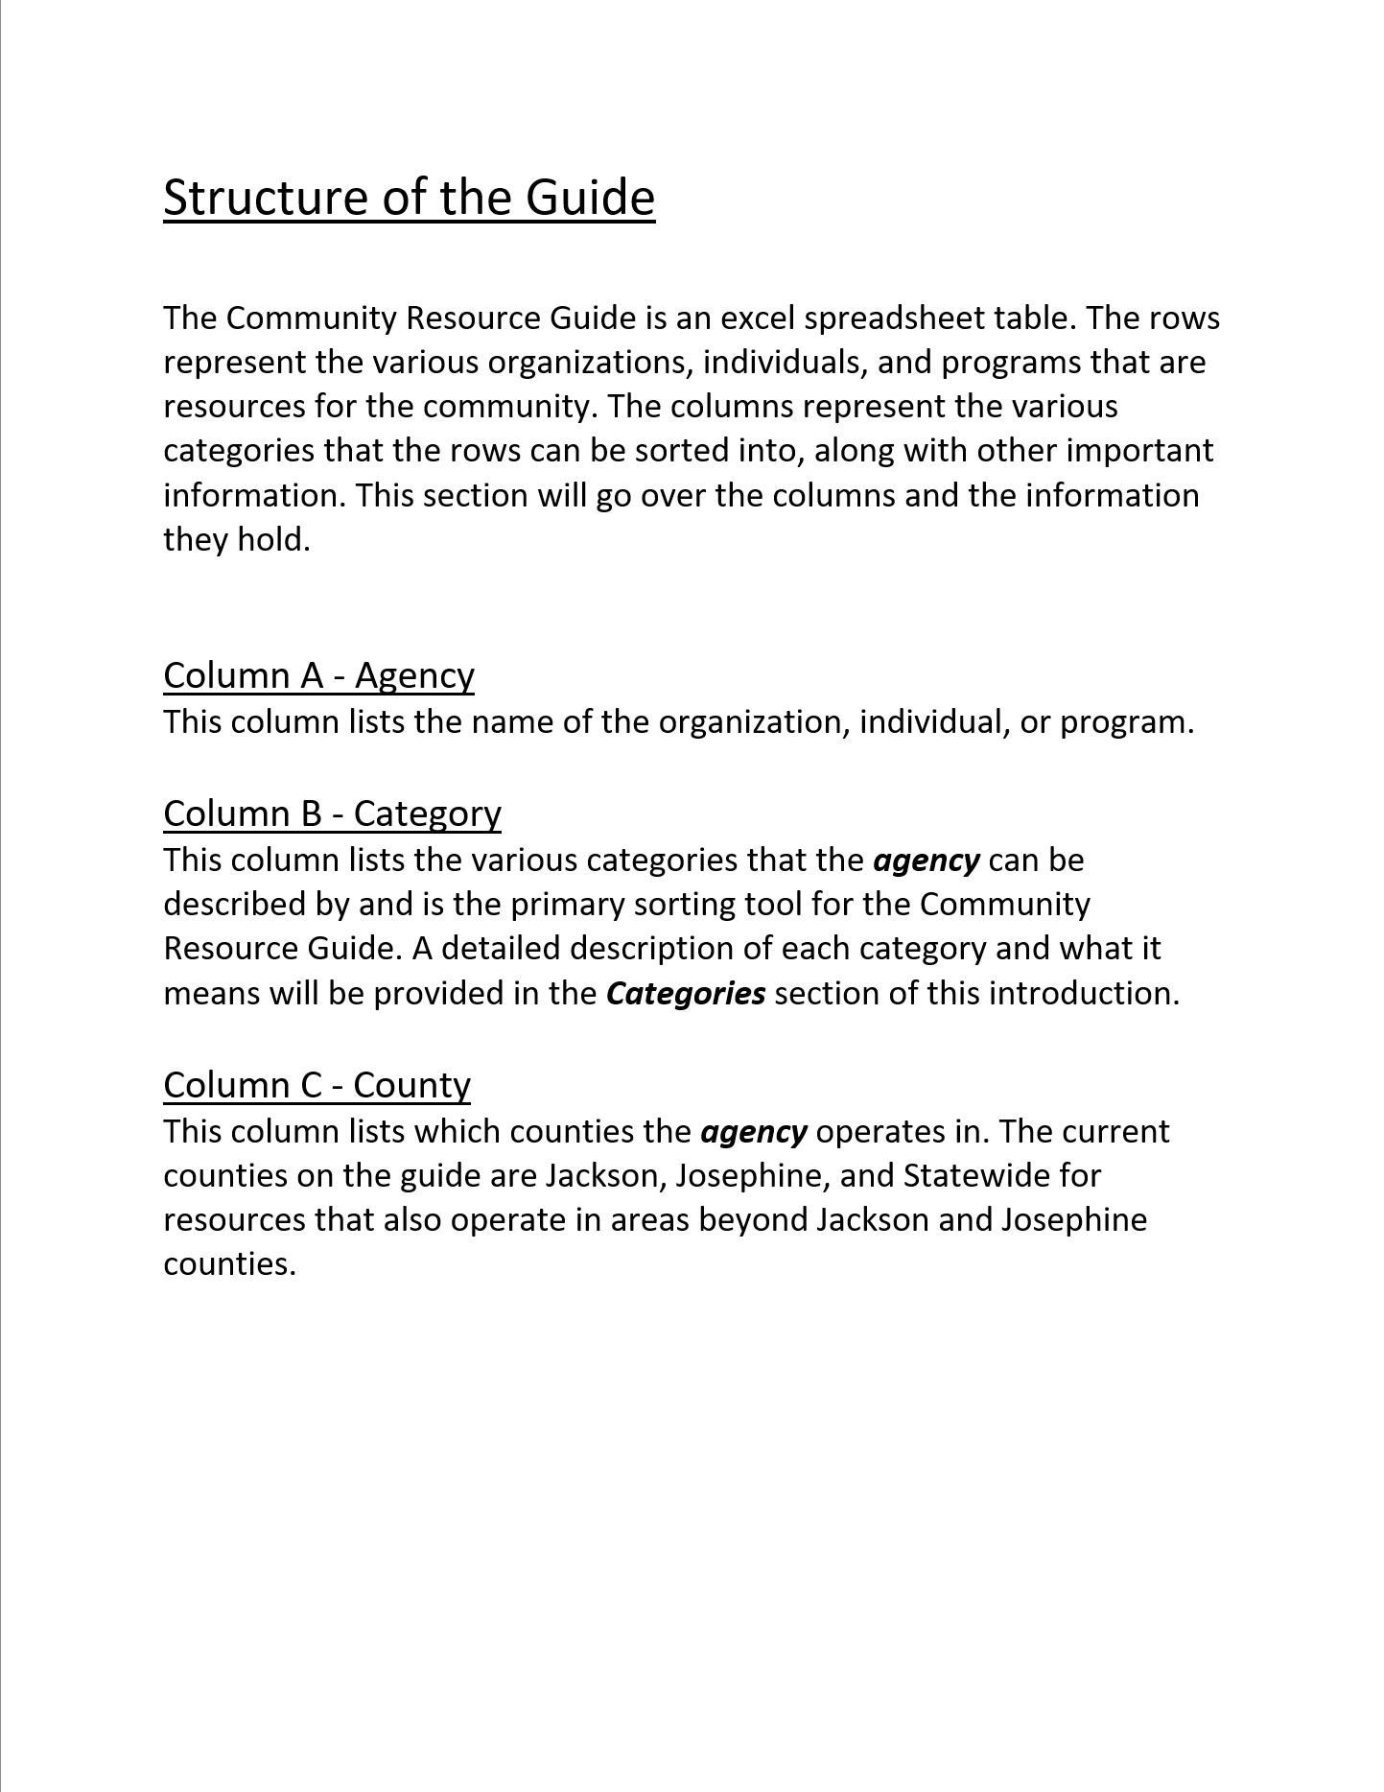

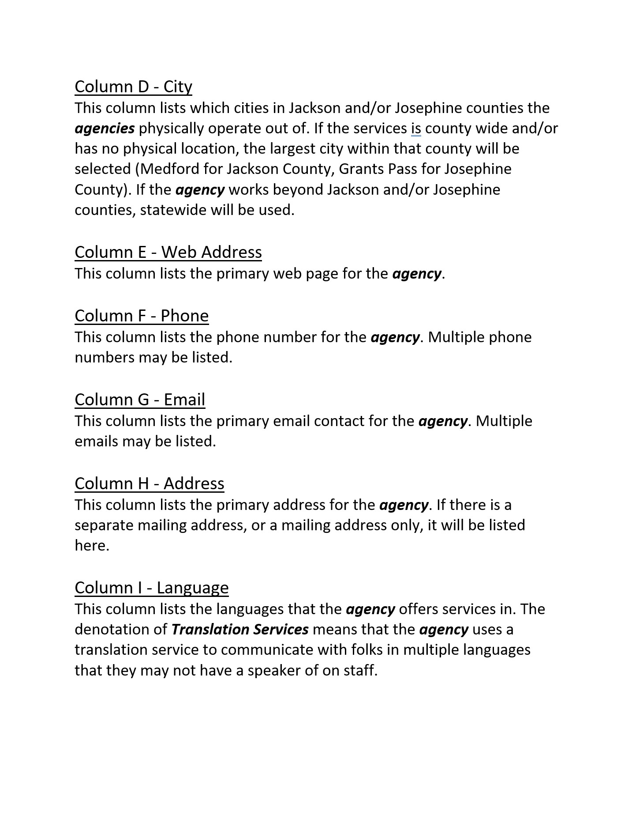

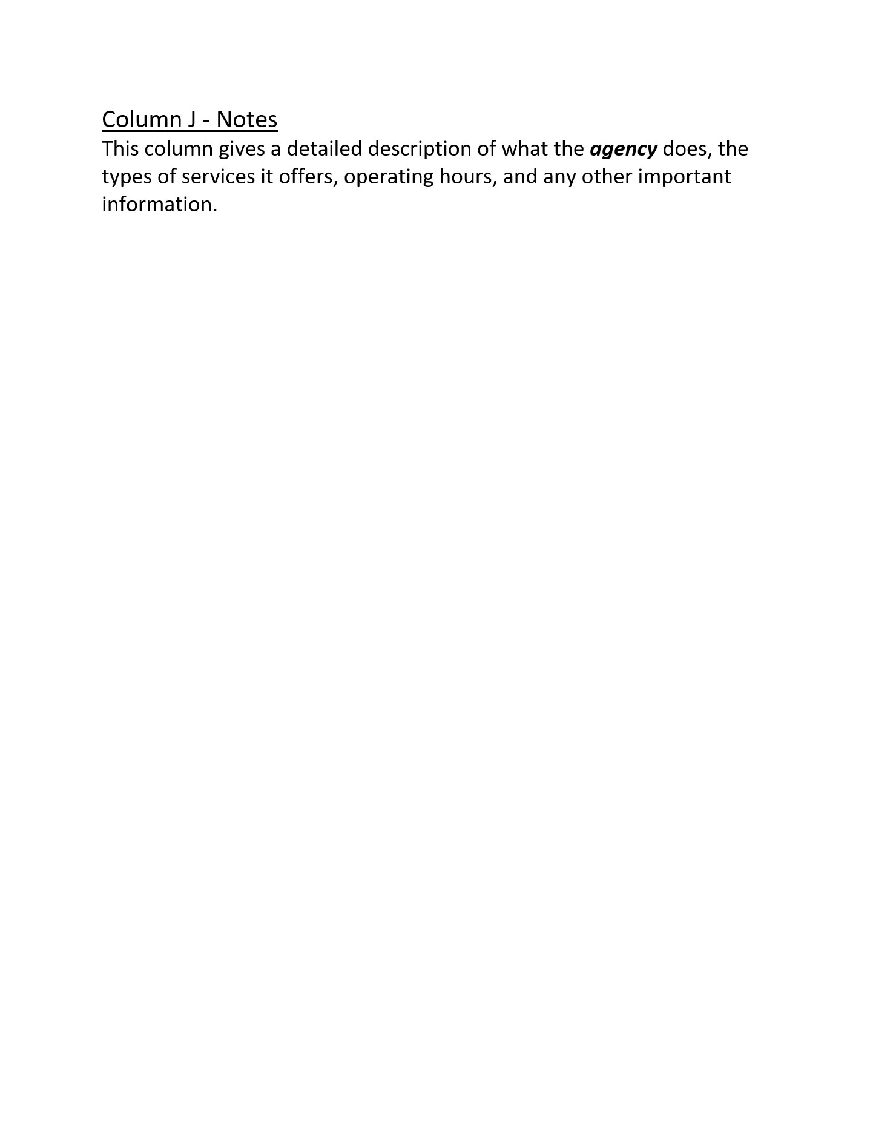

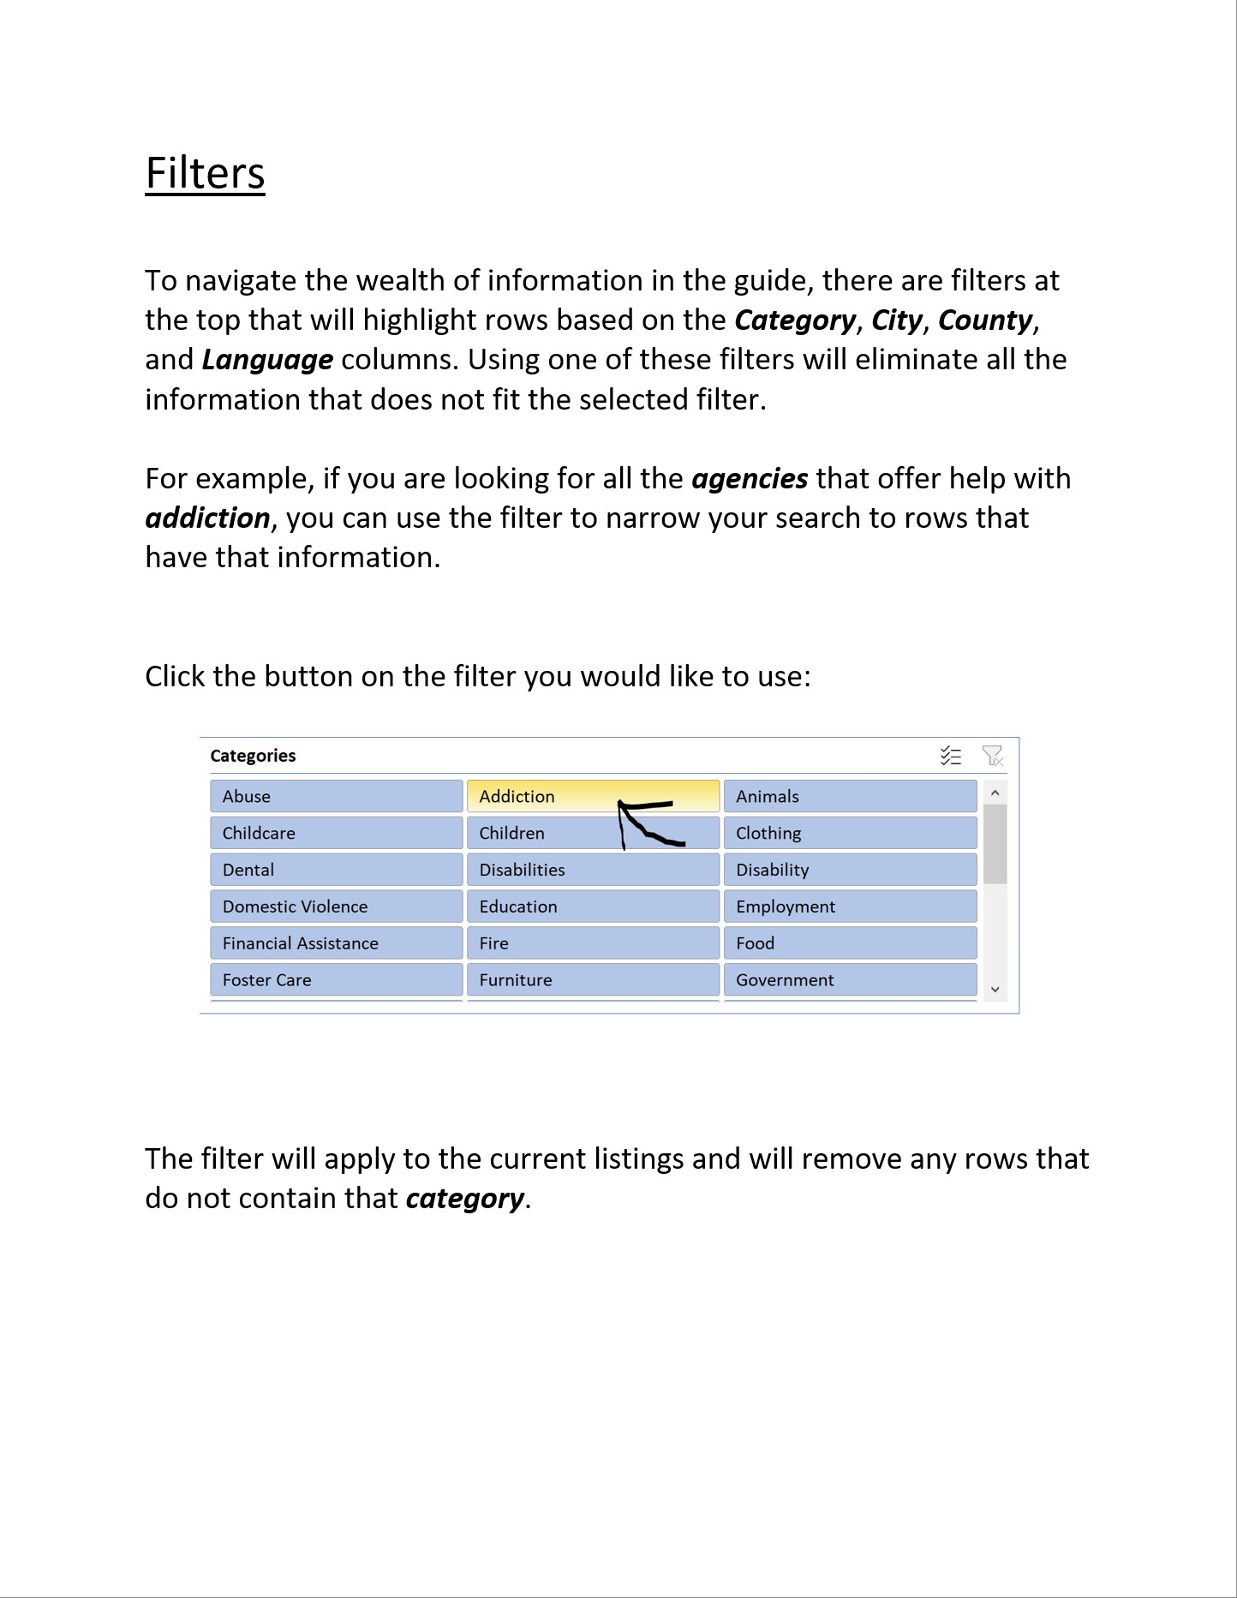

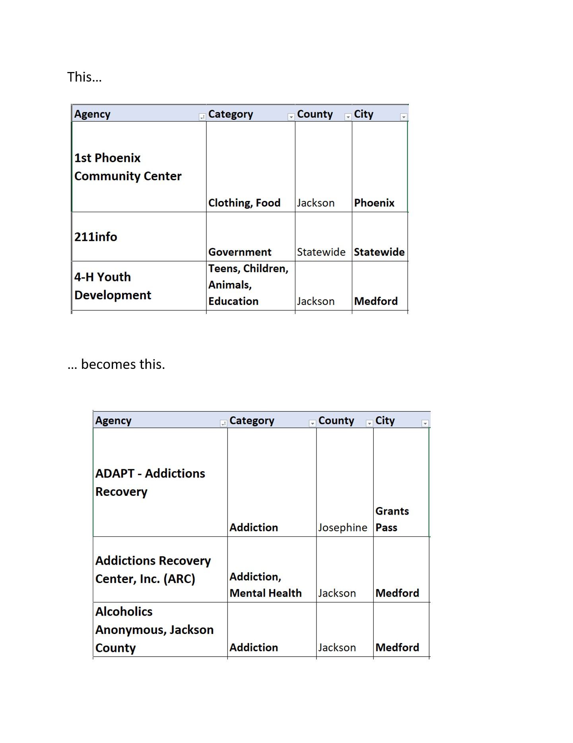

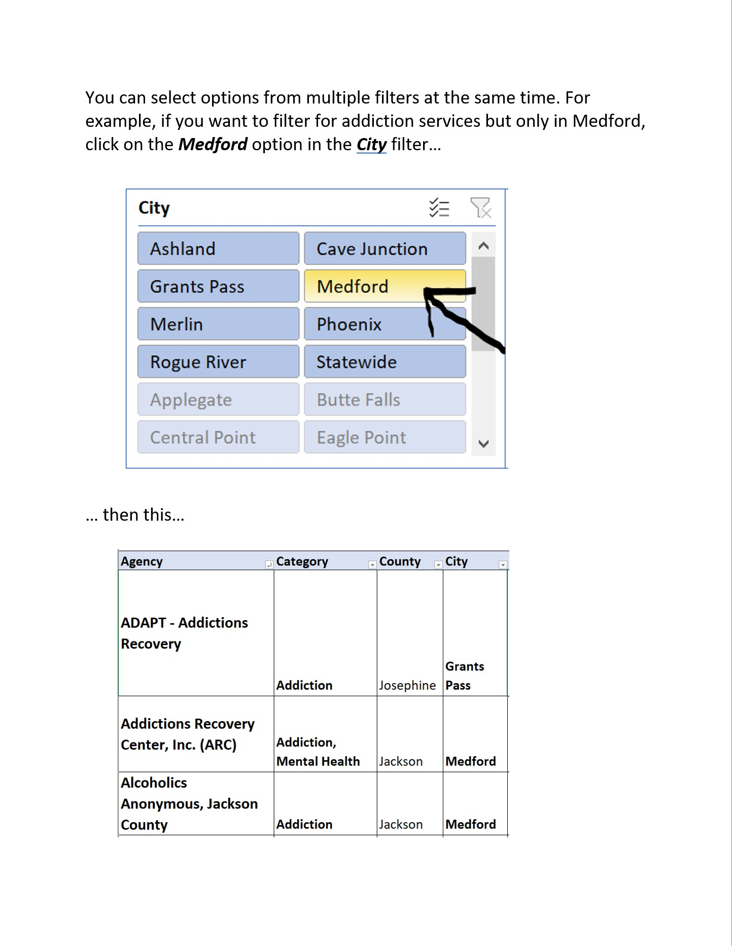

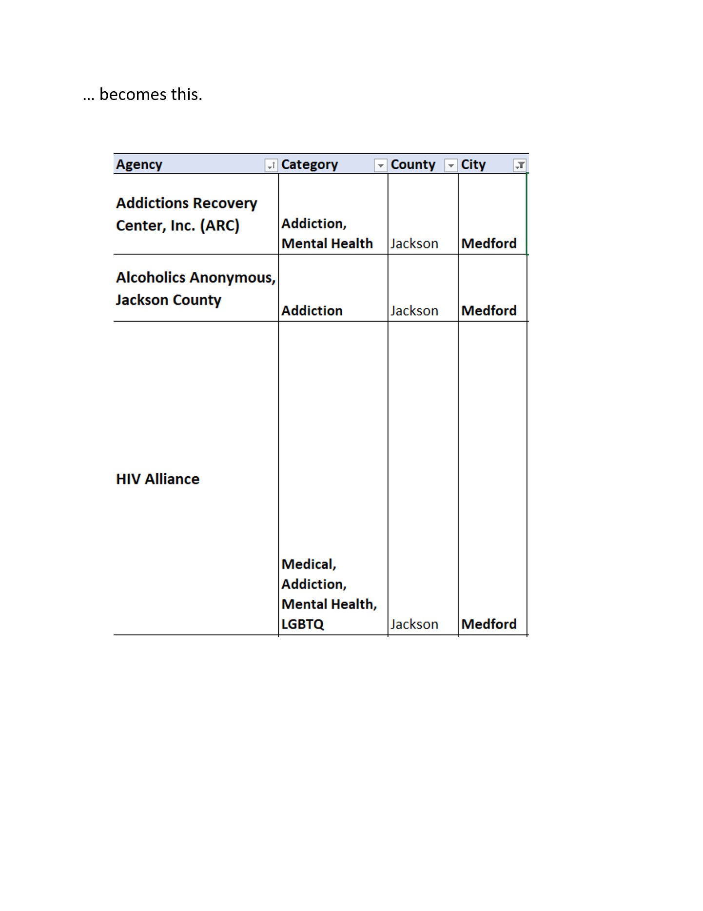

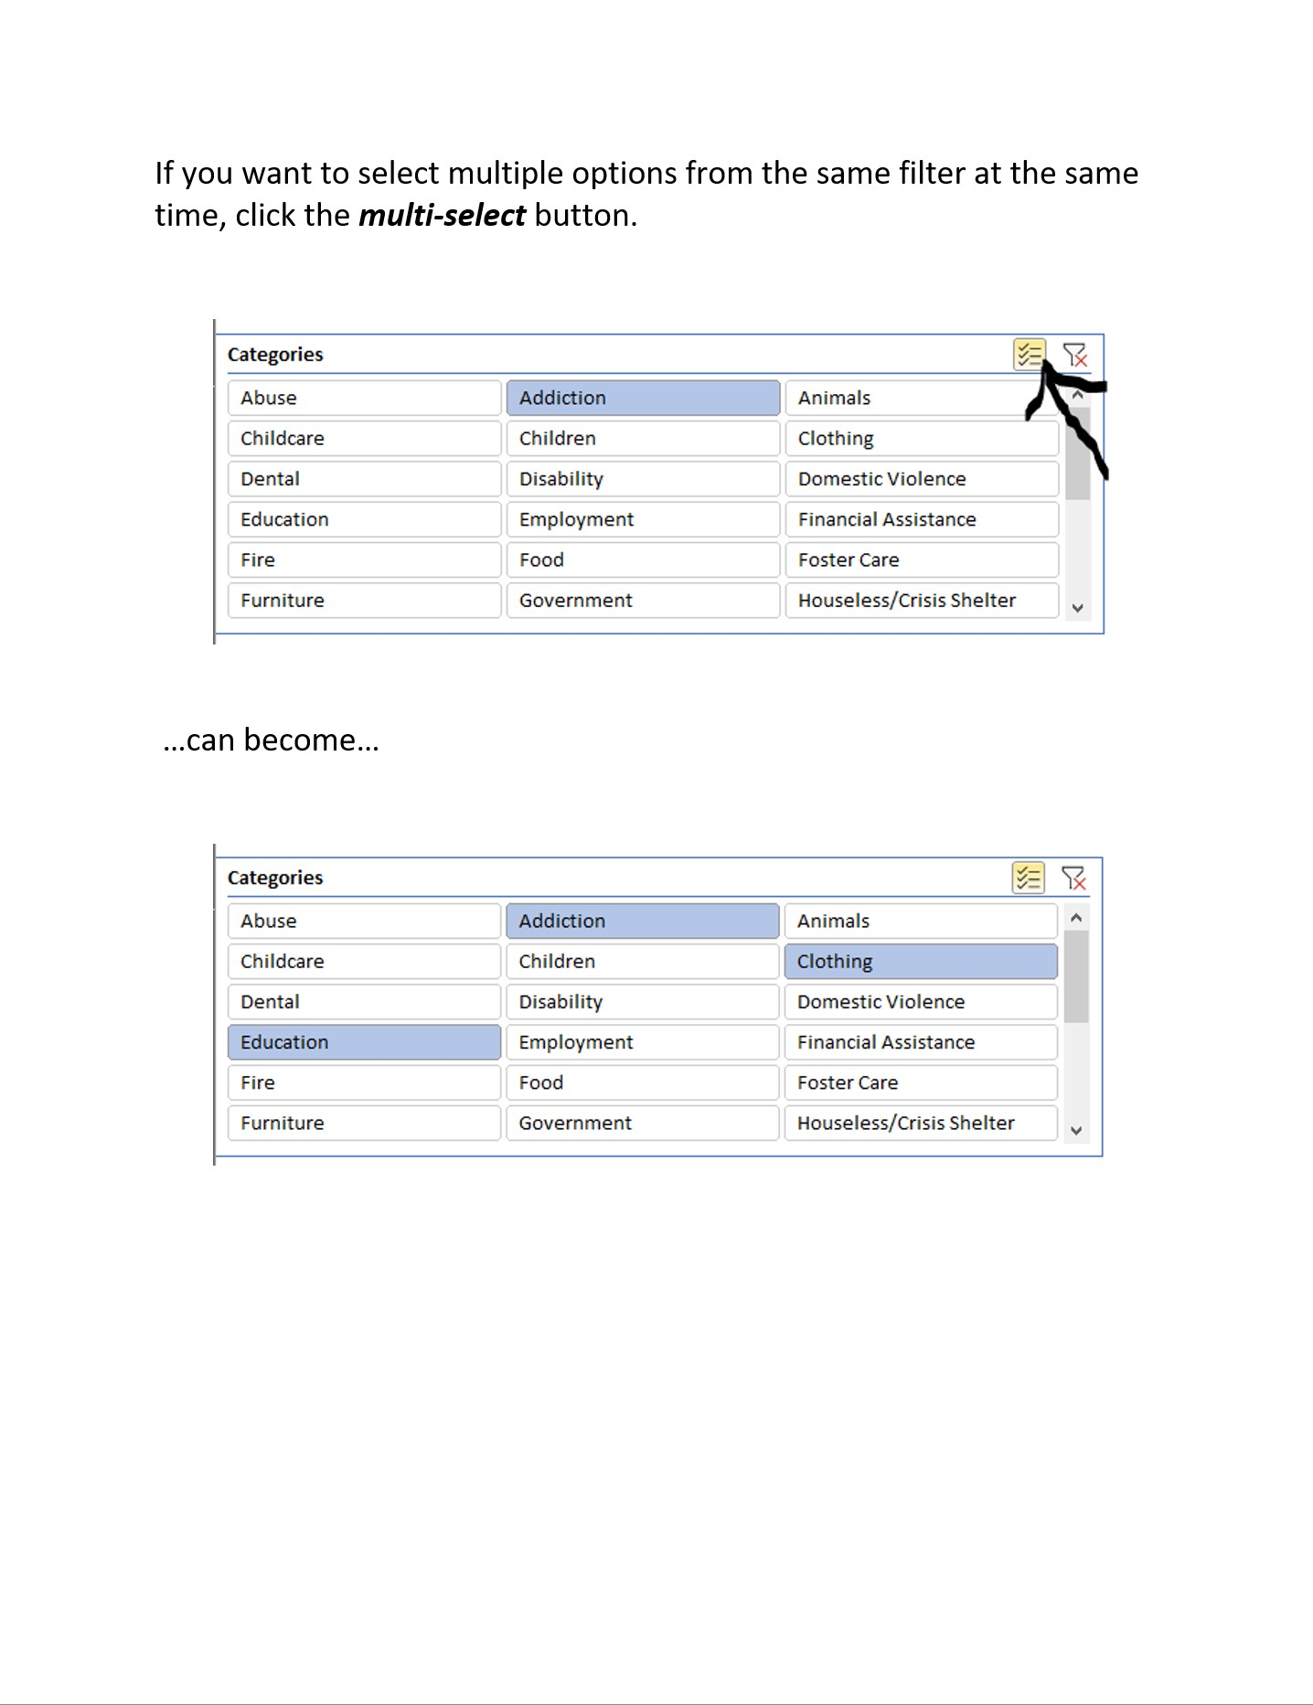

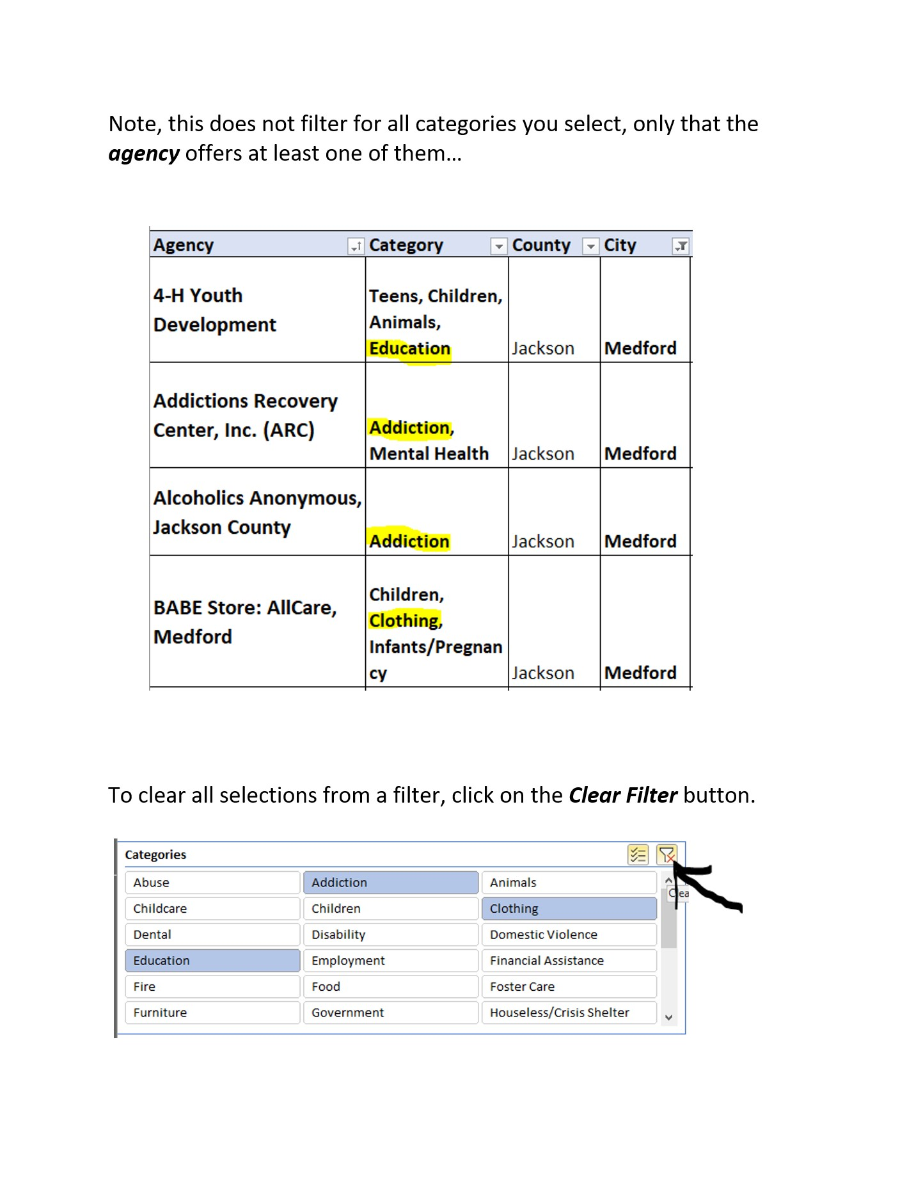

Statewide ODHS SSP Contacts
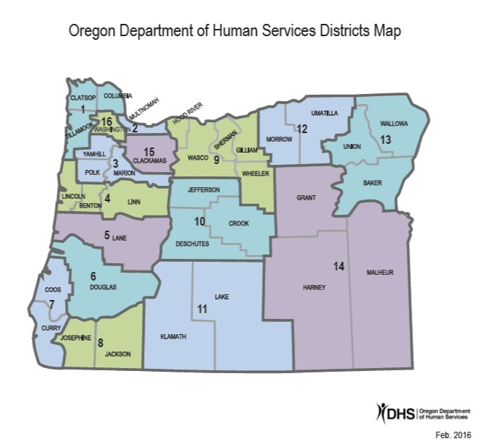
District | County | CPC | Email
1 | Clatsop, Columbia, Tillamook | Kayla Blessing | KAYLAANN.J.BLESSING@odhs.oregon.gov
2 | Multnomah | Tatyana Chukhrii | TATYANA.I.CHUKHRII@odhs.oregon.gov
 |  | Leah Moore | LEAH.E.MOORE@odhs.oregon.gov
 |  | Holly Hess | HOLLY.HESS@odhs.oregon.gov
 |  | Roberto Juarez | Roberto.J.JUAREZ@odhs.oregon.gov
 |  | Lunita Renfrow | Lunita.RENFROW@odhs.oregon.gov
 |  | Rosetta Adzasu | ROSETTA.E.ADZASU@odhs.oregon.gov
3 | Marion, Yamhill, Polk | Rochelle Bettis | Rochelle.BETTIS@odhs.oregon.gov
 |  | Colleen Bradford | COLLEEN.BRADFORD@odhs.oregon.gov
 |  | Cristobal Lopez | CRISTOBAL.LOPEZ@odhs.oregon.gov
 |  | Janet Scott | JANET.P.SCOTT@odhs.oregon.gov
 |  | Kelly Williams | KELLY.P.WILLIAMS@odhs.oregon.gov
 |  | Nicole Whitfield | NICOLE.C.WHITFIELD@odhs.oregon.gov
4 | Lincoln, Benton, Linn | Stephen March | Stephen.March@odhs.oregon.gov
 |  | Misha Mayers | MICHELLE.MAYERS@odhs.oregon.gov
5 | Lane | Xana McCrea | XANA.MCCREA@odhs.oregon.gov
 |  | Ashley Holding | ASHLEY.A.HOLDING@odhs.oregon.gov
 |  | Jim Hawley-Rose | James.hawley-rose@odhs.oregon.gov
6 | Douglas | Courtney Burford | Courtney.S.Burford@odhs.oregon.gov
 |  | Abby Drummond | abby.drummond@odhs.oregon.gov
7 | Coos, Curry | Kelcy Mathews | Kelcy.L.Mathews@odhs.oregon.gov
8 | Jackson, Josephine | Daniel Morales | daniel.a.morales2@odhs.oregon.gov
 |  | Danielle Ring | danielle.r.ring@dhsoha.state.or.us
 |  | Eleyda Ruiz-Cabrera | Eleyda.Y.Ruiz-Cabrera@odhs.oregon.gov
 |  | Liliana Estrada Barrera | LILIANA.ESTRADABARRERA@odhs.oregon.gov
9 | Wasco, Hood River, Sherman, Gilliam, Wheeler | Maresa Roberts | MARESA.L.ROBERTS@odhs.oregon.gov
10 | Jefferson, Crook, Deschutes | Tracey Taylor | TRACEY.L.TAYLOR@odhs.oregon.gov
 |  | Shenika Cumberbatch-Corpas | Shenika.Cumberbatch-Corpas@odhs.oregon.gov
11 | Lake, Klamath | Wendy Strohkirch | Wendy.L.Strohkirch@odhs.oregon.gov
12 | Umatilla, Morrow | Dina Barrera | dina.barrera@odhs.oregon.gov
13 | Baker, Union, Wallowa | Morton Chantelle | Chantelle.Morton2@odhs.oregon.gov
14 | Grant, Harney, Malheur | Jose Alonso Castillo | Jose.A.Castillo@odhs.oregon.gov
15 | Clackamas | Cristin Guitron | CRISTIN.GUITRON@odhs.oregon.gov
 |  | Cindy Moon | Cindy.MOON@odhs.oregon.gov
16 | Washington | Kaylie Camp | KAYLIE.N.CAMP@odhs.oregon.gov
 |  | Aubrey Stark | Aubrey.Stark@odhs.oregon.gov
 |  | Dawn Dzubay | DAWN.DZUBAY@odhs.oregon.gov

Glossary
